Sheet1 (2)
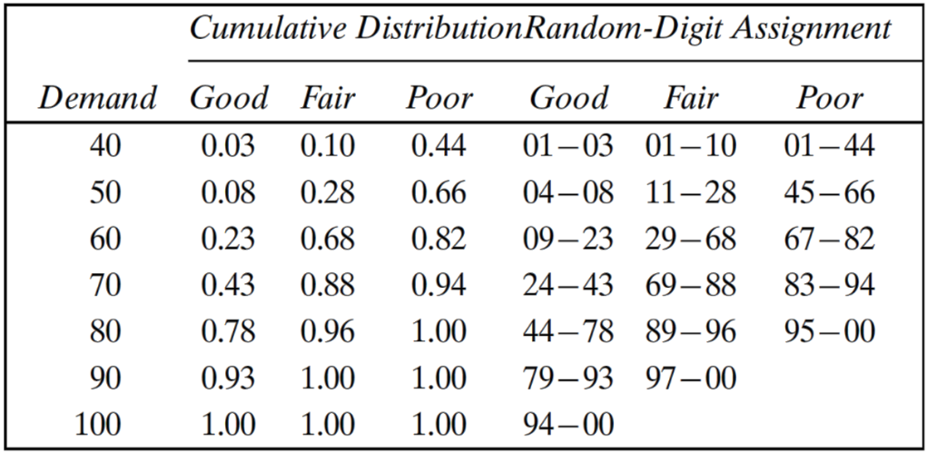
 |  |  |  |  |  | DATA
 |  |  |  |  |  | purchasing price | 0.33
 |  |  |  |  |  | selling price | 0.5
 |  |  |  |  |  | lost profit from excess demand | 0.17
 |  |  |  |  |  | scrap price | 0.05
 |  |  |  |  |  | Inventory daily | 70

Days | random digits | Type of | Random digit | Demand | Revenue from | Lost Profit from | Salvage from | Daily
 | 4 type of newsday | Newsday | for Demand |  | Sale | Excess Demand | sale of Scrap | Profit
1 | 94 |  | 80
2 | 77 |  | 20
3 | 49 |  | 15
4 | 45 |  | 88
5 | 43 |  | 98
6 | 32 |  | 65
7 | 49 |  | 86
8 | 0 |  | 73
9 | 16 |  | 24
10 | 24 |  | 60
11 | 31 |  | 60
12 | 14 |  | 29
13 | 41 |  | 18
14 | 61 |  | 90
15 | 85 |  | 93
16 | 8 |  | 73
17 | 15 |  | 21
18 | 97 |  | 45
19 | 52 |  | 76
20 | 78 |  | 96
21
22
23
24
25
26

